Sheet1
 |  |  |  |  |  | 2015 Fundraiser Shirts

Shirt Types | YS | YM | YL | AS | AM | AL | AXL | A2XL* | A3XL* | Total # | Cost per Shirt | * 2XL and 3XL Cost Per Shirt | Total $ | Collected | Team


 |  |  |  |  |  |  |  |  |  | - | $5.50 | $7.50 | $- | 0 | $-
Purple- S Sleeve

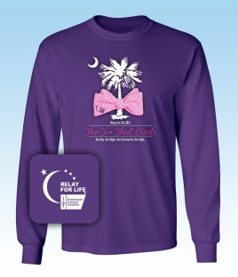

 |  |  |  |  |  |  |  |  |  | - | $8.00 | $10.00 | $- | 0 | $-
Purple -Long Sleeve



 |  |  |  |  |  |  |  |  |  | - | $5.50 | $7.50 | $- | 0 | $-
Denim- S Sleeve

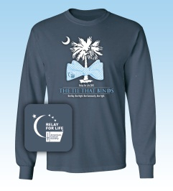

 |  |  |  |  |  |  |  |  |  | - | $8.00 | $10.00 | $- | 0 | $-
Denim- Long Sleeve

 |  | * 2XL and 3XL are additional $2.00 cost

 |  |  |  |  |  |  |  |  | Totals | - |  |  | $- | 0 | 0
 | Contact Name/Team Name: |  |  |  |  |  |  |  |  |  |  |  |  | COLLECT | TEAM
 | Phone Number/Email Address: |  |  |  |  |  |  |  |  |  |  |  | Rev. 10-21-14
 | Event/Due Date:

