Sheet1
2016 Long Sleeve T-Shirt Order Form

 |  | Youth-GARNET
 |  | YS | YM | YL | YXL | Cost | Total $ | Collected | Team
 |  | 2 |  | 3 |  | $10.00 | $50.00 | $75.00 | $25.00

 |  | Youth- ORANGE
 |  | YS | YM | YL | YXL | Cost | Total $ | Collected | Team
 |  |  | 2 |  |  | $10.00 | $20.00 | $30.00 | $10.00

Please note that these shirts are only available in long sleeve and sold until Dec. 31, 2015. Please enter all total on computer.
Enter totals in the purple shaded areas ONLY. Totals will be calculated for you.
 |  |  |  | GARNET
 | S | M | L | 2XL | 3XL | Cost | Total | Collected | Team
 |  |  |  | 4 |  | $10.00 | $40.00 | $60.00 | $20.00

 |  |  |  | ORANGE
 | S | M | L | 2XL | 3XL | Cost | Total | Collected | Team
 |  | 3 |  |  |  | $10.00 | $30.00 | $45.00 | $15.00
Place all orders with
Renwick Screen Printing.
You may call orders in or fax to Renwick at 864-683-5335
Forms of Payment:
Mail US Postal money orders to:
PO BOX 789 Clinton, SC 29325
No checks will be accepted for orders.
Sell all Shirts Sizes for - $15.00
Pay Renwick - $10.00
Relay Team Profit- $5.00
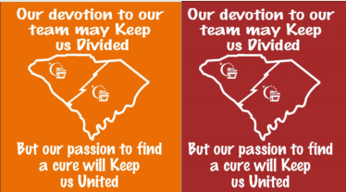

 |  |  |  |  |  |  |  | Collected | $210.00
 |  |  |  |  |  |  |  | Renwick | $140.00
 |  |  |  |  |  |  |  | Team/ACS | $70.00

 |  |  |  |  |  |  | Relay For Life of Kershaw County
 |  |  |  |  |  |  | 647 Lachicotte Rd.
 |  |  |  |  |  |  | Lugoff, SC 29078
 |  |  |  |  |  |  | 803-438-3483

 |  |  |  |  |  |  | Team:____________________________________
 |  |  |  |  |  |  | Team Captain:______________________________
 |  |  |  |  |  |  | Phone/E-mail_______________________________

