Sheet1

2015 T-Shirt Order Form
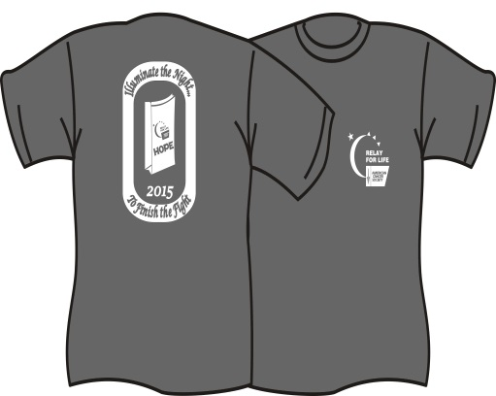
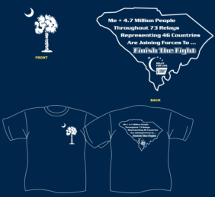

 |  | Youth- Neon Green
 |  | YXS | YS | YM | YL | YXL | Cost | Total $ | Qty |  |  |  | Collected | Team
 |  |  |  |  |  |  | $7.00 | $- | 0 |  |  |  | 0 | $-
 |  | Youth- Neon Pink
 |  | YXS | YS | YM | YL | YXL | Cost | Total $
 |  |  |  |  |  |  | $7.00 | $- | 0 |  |  |  | 0 | $-
 |  | Youth- Neon Orange
 |  | YXS | YS | YM | YL | YXL | Cost | Total $ |  |  | Illuminate the Night
 |  |  |  |  |  |  | $7.00 | $- | 0 |  | To Finish the Fight! |  | 0 | $-
 |  | Youth- Charcoal Gray
 |  | YXS | YS | YM | YL | YXL | Cost | Total $
 |  |  |  |  |  |  | $7.00 | $- | 0 |  |  |  | 0 | $-

 |  |  | Adult- Neon Green Small-4XL- 5XL & 6XL
S | M | L | XL | 2XL | 3XL | 4XL | 5XL | 6XL |  | Cost | Total | QTY
 |  |  |  |  |  |  |  |  |  | $7.00 | $- | 0 | 0 | $-

 |  |  | Adult- Neon Pink
S | M | L | XL | 2XL | 3XL | 4XL | 5XL | 6XL |  | Cost | Total
 |  |  |  |  |  |  |  |  |  | $7.00 | $- | 0 | 0 | $-

 |  |  | Adult- Neon Orange
S | M | L | XL | 2XL | 3XL | 4XL | 5XL | 6XL |  | Cost | Total
 |  |  |  |  |  |  |  |  |  | $7.00 | $- | 0 | 0 | $-

 |  |  | Adult- Charcoal Gray
S | M | L | XL | 2XL | 3XL | 4XL | 5XL | 6XL |  | Cost | Total
 |  |  |  |  |  |  |  |  |  | $7.00 | $- | 0 | 0 | $-
TEAM:__________________________
EVENT: RELAY FOR LIFE OF KERSHAW COUNTY 647 LACHICOTTE RD. LUGOFF, SC 29078 803-438-3483 803-438-3477 FAX
Place all orders with Renwick Screen Printing P O Box 789 Clinto, Sc 29325
You may call orders in or fax to Renwick at 864-683-5335
No checks will be accepted for orders.
Sell all Shirts Sizes for - $15.00
Pay Renwick - $7.00
Relay Team Profit- $8.00
 |  |  |  |  |  |  |  |  |  |  |  |  | 0 | 0
 |  |  |  |  |  |  |  |  |  |  | $-
 |  |  |  |  |  |  |  |  |  |  | Renwick total

